1.3.23 vs 1.3.24
Priority | 1.3.23 Version | 1.3.24 Version
High | 6 | 6
Medium | 2 | 2
Low | 18 | 19

Bug Delta 1.3.23 VS 1.3.24

LOTA FOTA Bug List
Sr No | Issue Description | Priority | Status | Result | AppCenter Version | Actual Screenshots | Remarks | Developers Comment | Test Comments
1 | AC > Onboarding pop up text seems not relevant (Showing Auto firmware update text) | Low | Closed | Pass | 1.3.22(1), 1.3.23(3), 1.3.23(4) | 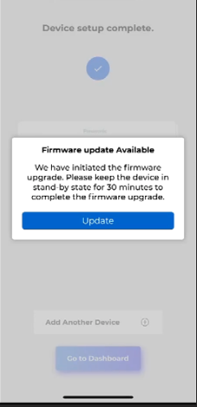 | Please update your device firmware for optimal performance (Firmware Text missing)
2 | App Setting page > Upgrade firmware option not available in app setting page for LOTA update | High | Closed | Pass | 1.3.22(1), 1.3.23(4) | 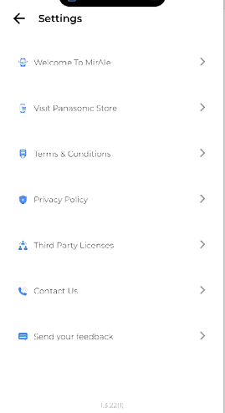
3 | AC > Manually update from device setting page > Pop pop message showing after successfully firmware upgraded. | High | Closed | Pass | 1.3.22(1), 1.3.23(3), 1.3.23(4) | 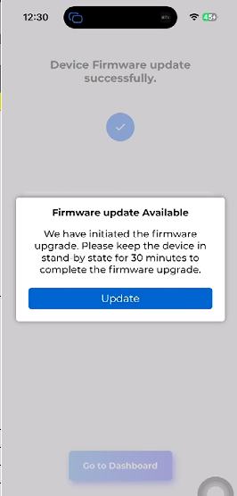 | 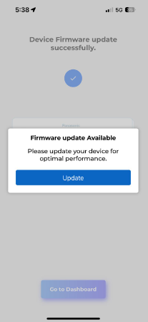 Same issues existing
4 | AC > Auto upgrade instruction is not available as per the process (Attached android process screenshot) | High | Closed | Pass | 1.3.22(1), 1.3.23(3) | 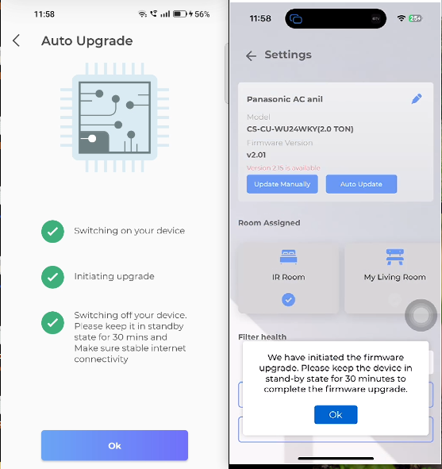
5 | AC > Onboarding pop up update > Pop pop message showing after successfully firmware upgraded. | High | Closed | Pass | 1.3.22(1), 1.3.23(3), 1.3.23(4) | 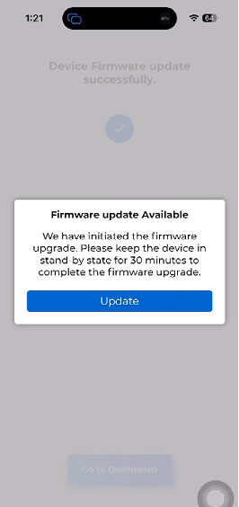 | Same issue existing
6 | Keep foreground > Logout form app automatically > Login again > App Crashed (Two time observed) App logging out automatically and then 100% app crash | High | Closed | Pass | 1.3.22(1), 1.3.23(3), 1.3.23(4) |  | Under Observation
7 | AC > Auto update > Version not updating after successfully upgraded firmware, User need to kill come back from settings screen and again lanuch Device settings screen | Low | Open | Fail | 1.3.22(1), 1.3.23(3), 1.3.23(4), 1.3.24(7)
8 | AC > Manually update from App setting page > Pop pop message showing after successfully firmware upgraded. | High | Closed | Pass | 1.3.23(3), 1.3.23(4) | 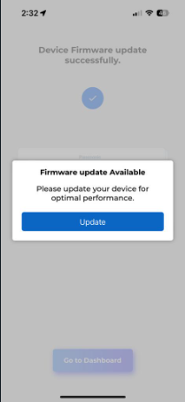
9 | (Remove FLWM from app setting screen and keep only TLWM) | High | Closed | Pass | 1.3.23(3) 1.3.23(4) | 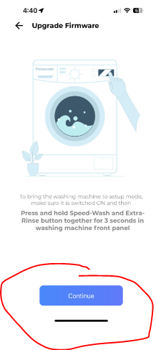 | TLWM is the current requirement to update Firmware from app setting screen
10 | TLWM > Onboarding journey > Taking longer time from setting up your device screen and sometimes Connected screen (No time out error message) user need to kill the app anyway | High | Closed | Pass | 1.3.23(3), 1.3.23(4) 1.3.24(1) | Video shared | Issue reproduced in Water Heater device as well |  | Sharath fixed this issue and raised PR on 07-11-23 (Observed in both TLWM and WH) device
11 | AC > Device setting screen > Auto Update > Instruction text not similar to android implementation (Attached reference android screens) If AC ON conditon | Low | Closed | Pass | 1.3.23(3), 1.3.23(4), 1.3.24(2) | 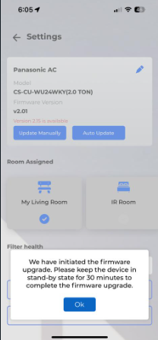 | 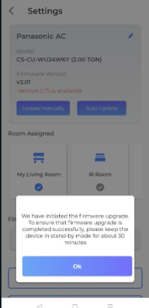 | Done
12 | AC > Device setting screen > Auto Update > Instruction text not similar to android implementation (Attached reference android screens) If AC OFF condition | Low | Closed | Pass | 1.3.23(3), 1.3.23(4), 1.3.24(2) | 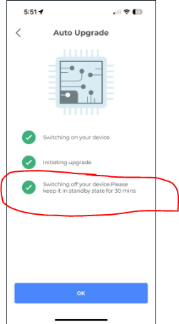 | 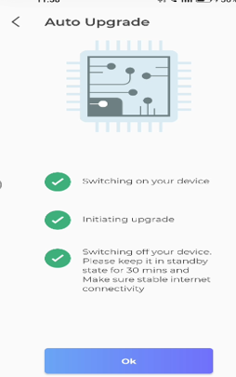
13 | AC > Device setting screen > Auto Update > Instruction text is very small If AC OFF condition process | Low | Closed | Pass | 1.3.23(4), 1.3.24(2) | 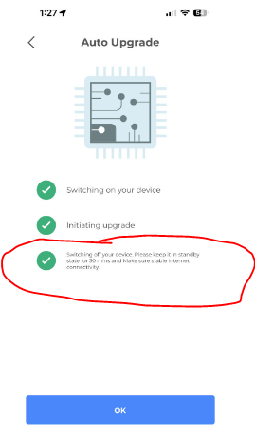 |  | Done
14 | Onboard TLWM > No pop message after onboard TLWM device if FW available | High | Closed | Pass | 1.3.23(3) |  | Video shared | It's working fine for me for AC, not able to find anything in the code with respect Washing Machine, ideally it should work.
15 | Refrigerator > Up to Date > Showing Train image instead right symbol | Low | Closed | Pass | 1.3.23(3), 1.3.23(4) | 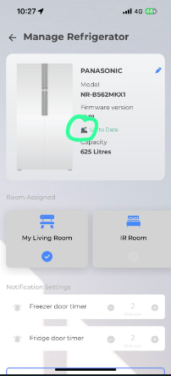
16 | TLWM > Onboarding pop up process, Device setting screen and App setiing screen > Continue button not responding. | High | Closed | Pass | 1.3.23(3), 1.3.23(4) | 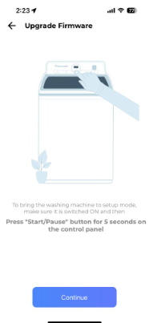
17 | Onbaord device > Setup your new device screen > Enable Wifi button > Still asking to Enable Wifi Even after enabled Wifi successfully (Sometimes) | Low | Closed | Pass | 1.3.23(4) | 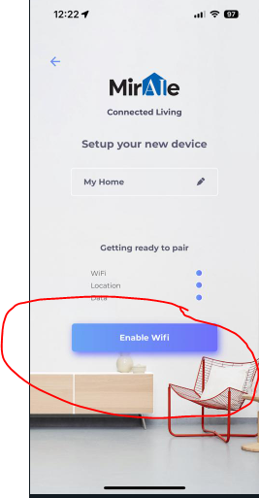
18 | App setting screen > Upgrade Firmware > TLWM > Taking to normal on boarding journey instead updating firmware journey | High | Closed | Pass | 1.3.23(4), 1.3.24(1), 1.3.24(2) |  | Video shared | Made some changes with respect to this fix, need help from the QA team to test and confirm. | Both fine TLWM and WH
19 | TLWM and WATER HEATER > Onboarding > Popup > Update Firmware > Device is not available in searching screen and if user Tap at the center to retry again taking user to previous Identify device screen | High | Closed | Pass | 1.3.23(4), 1.3.24(1), 1.3.24(1) |  | Video shared | Haven't made any changes to this functionality if it is working for onboarding then it should work for update Firmware too. | Sharath fixed this issue and raised PR on 07-11-23 (Observed in both TLWM and WH) device
20 | TLWM > Device setting screen > Update Manually > Taking to normal on boarding journey instead updating firmware journey | High | Closed | Pass | 1.3.23(4), 1.3.24(3) |  | Video shared | Made some changes with respect to this fix, need help from the QA team to test and confirm. | Yet to test with both devices (TLWM and WH)
21 | TLWM and WATER HEATER > Onboarding > Popup > Update Firmware > Taking to normal on boarding journey instead updating firmware and again showing popup | High | Closed | Pass | 1.3.24(1), 1.3.24(3) |  |  |  | This issue link with bug nu 19, Please refer mentioned bug above
22 | Water Heater > Device setting screen > Remove Device > Remove device option hiding and not able to scrolling screen up an down | Medium | New | Pass | 1.3.24(1), 1.3.24(2) | 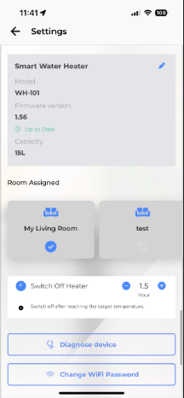 | Screen size issue
23 | Smart Retrofit Controller > Switches category > Green colour Texts are coming instead of Red colour | Low | New | Pass | 1.3.24(1), 1.3.24(5) | 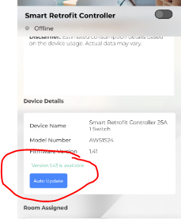
24 | Smart Retrofit Controller-Curtain > Up to date text is missing in curtain controller device | Low | New | Pass | 1.3.24(1), 1.3.24(5) | 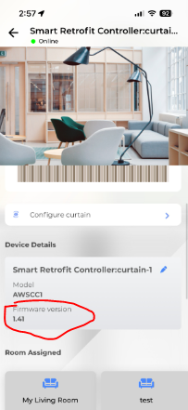
25 | TLWM and WATER HEATER > Onboarding > Popup > Update Firmware > Getting Connection Failure error messgae and failing to update firmware | High | New | Pass | 1.3.24(3), 1.3.24(4), 1.3.24(5) |  | Video shared
26 | TLWM and WATER HEATER > Device setting page > Update Firmware > Getting Connection Failure error messgae and failing to update firmware | High | New | Pass | 1.3.24(3), 1.3.24(4), 1.3.24(5) |  | Video shared
27 | TLWM and WATER HEATER > App setting page > Update Firmware > Getting Connection Failure error messgae and failing to update firmware | High | New | Pass | 1.3.24(3), 1.3.24(4), 1.3.24(5), 1.3.24(7)
28 | AC > Onboarding > Popup > Update Firmware > Getting Connection Failure error messgae and failing to update firmware | High | New | Pass | 1.3.24(3), 1.3.24(4), 1.3.24(5)
29 | AC > Device setting page > Update Firmware > Getting Connection Failure error messgae and failing to update firmware | High | New | Pass | 1.3.24(3), 1.3.24(4), 1.3.24(5)
30 | AC > App setting page > Update Firmware > Getting Connection Failure error messgae and failing to update firmware | High | New | Pass | 1.3.24(3), 1.3.24(4), 1.3.24(5), 1.3.24(7)
31 | App crashed while updating the FW from App settings screen. App setting page > Update Firmware > Select any device like AC, TLWM or Water Heater | High | New | Pass | 1.3.24(5), 1.3.24(7)
32 | Getting push notification of "MirAIe information updated" after updating the FW | Low | New | Fail | 1.3.24(5), 1.3.24(7)
33 | AC > device setting > tap on Auto update > Tap on back button > see the version details | Low | New | Fail | 1.3.24(7)
34 | AC > device setting > tap on Update manually > Tap on back button > see the version details | Low | New | Fail | 1.3.24(7)
35 | TLWM> Onboarding > Popup > Update Firmware > App getting crash | Low | New | Fail | 1.3.24(7) |  | Observed once |  | Under observation

Push Notification
Product / Feature | Use Case | Notifications Contents | Landing Page | Pass/Fail
Refrigerator | Fridge/Freezer Door Open | Title Fridge/Freezer Door Open Body Your fridge/freezer door is open. Please ensure to close the door firmly and protect your food from spoiling. | Refrigerator Details Page | Pass
Refrigerator | Power Outage | Title Power Outage Body Your refrigerator power supply was interrupted. Check the quality of Refrigerator content before consuming. | Refrigerator Details Page | Pass
Airconditioner , Smart Profile | Rule Notification for AC and Smart Profile | Title Rule activation successful Body Rule '<ruleName>' activated successfully. Tap to see the rule. | Sleep Profile page | Pass
Washing Machine -FLWM | Washing Completed | Title Washing Completed Body Washing completed. Please do not keep washed out clothes for long in the washing machine. | Wash Progress Page | Pass
Washing Machine -FLWM | Washing Paused/Stopped | Title Washing Completed Body <Device Name>: Current wash cycle is paused/Stopped | Wash Progress Page | Pass
Washing Machine -TLWM | Washing Completed | Title Washing Completed Body Washing completed. Please do not keep washed out clothes for long in the washing machine. | Wash Progress Page | Pass
Washing Machine -TLWM | Washing Paused/Stopped | Title Washing Paused/Stopped Body <Device Name>: Current wash cycle is paused/Stopped | Wash Progress Page | Pass
Washing Machine -TLWM | Washing Paused -Auto Pause [After Soak] | Title Washing Paused Body <Device Name>: paused After Soak | Wash Progress Page | Pass
Washing Machine -TLWM | Washing Paused -Auto Pause [After Wash] | Title Washing Paused Body <Device Name>: paused After Wash | Wash Progress Page | Pass
Washing Machine -TLWM | Washing Paused -Auto Pause [After Rinse 1] | Title Washing Paused Body <Device Name>: paused After Rinse 1 | Wash Progress Page | Pass
Washing Machine -TLWM | Washing Paused -Auto Pause [Before last Rinse] | Title Washing Paused Body <Device Name>: paused Before Last Rinse | Wash Progress Page | Pass
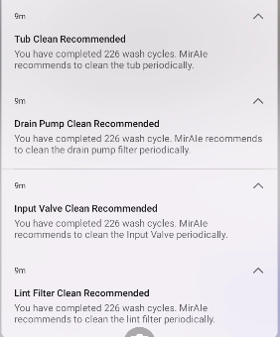
Washing Machine -TLWM | Drain Pump Clean Recommended | Title Drain Pump Clean Recommended Body You have completed … wash cycle. MirAIe recommends to clean the drain pump filter periodically. | Landing Page [Home Screen] | NT
Washing Machine -TLWM | Tub Clean Recommended | Title Tub Clean Recommended Body You have completed… wash cycle . MirAIe recommends to clean the Tub periodically. | Landing Page[Setting>Clean Tub] | NT
Washing Machine -TLWM | Input Valve Clean Recommended | Title Input Valve Clean Recommended Body You have completed.. Wash cycle. MirAie recommended to clean the Input Valve periodically. | Landing Page[Setting>Clean Input Valve] | NT
Washing Machine -TLWM | Lint filter Clean Recommended | Title Lint filter Clean Recommended Body You have completed.. Wash cycle. MirAie recommended to clean the lint filter periodically. | Landing Page[Setting>Clean Lint Fitler] | NT
VDP | Bell Ring | Title Button Pressed Body Some rang the front door bell .Tap to know who | VDP Details Page | NT
VDP | Motion Detection | Title Pir Triggered Body A motion is detected by your door bell | VDP Details Page | NT
VDP | Battery Low | Title Battery Low Body Your door bell is discharging fast. Please plug it to a power source to avoid disconnection . | VDP Details Page | NT
VDP | Temper Alert | Title Temper Alert! Body Your door bell is being removed, if its not you then someone is trying to temper . | VDP Details Page | NT
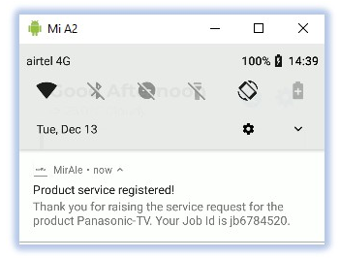 E-Warranty | Raise a Service Request | Title Product service registered! Body Thank you for raising the service request for the product Panasonic TV . Your Job id is jd6784520 | Home/Dashboard | Fail | 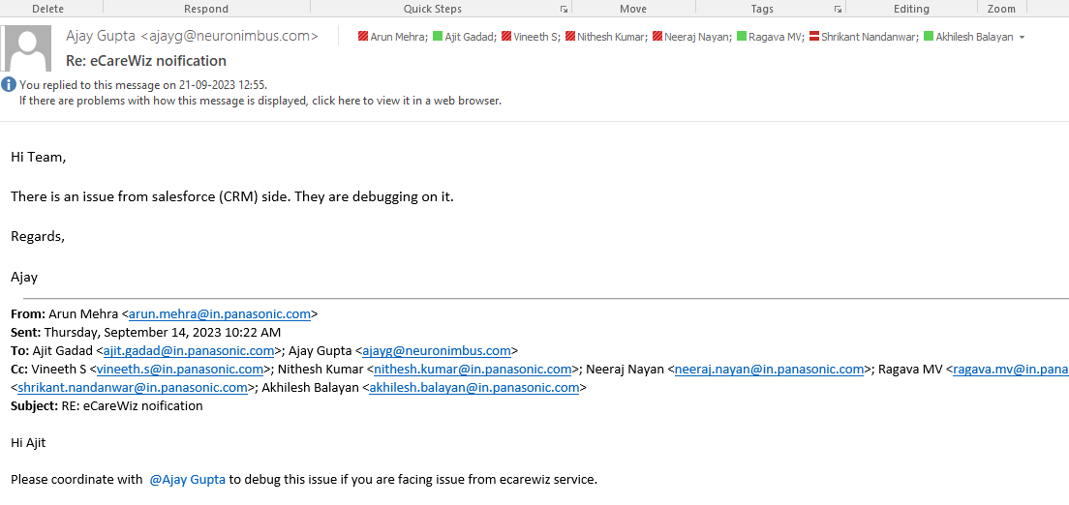
E-Warranty | Warranty Expiry | Title Warranty expiring soon... Body Warranty on your Product Model:Panasonic CU-YN18WKYM with Serial No : SN777XXXXXXXXXXX is expiring 31/12/2022 . Extend your warranty to enjoy the hassle free experience. | Home/Dashboard | NA
E-Warranty | Product Registration | Title Product registered! Body Your Product Model CU-YN18WKYM with Serial No : SNXXXXXXXXXX is registered with us. | Home/Dashboard | Pass
E-Warranty | Product Birthday reminder | Title Best wishes! Body Happy birthday to your Product Model> Panasonic CU-YN18WKYM with Serial No: SNXXXXXXXXXX. | Home/Dashboard | NA

